VBA
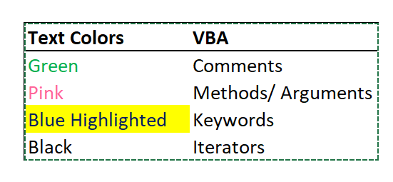
DAQO (Ticker: DQ)

Year | Total Daily Volume | Return
2018 | 107,873,900.00 | -0.63

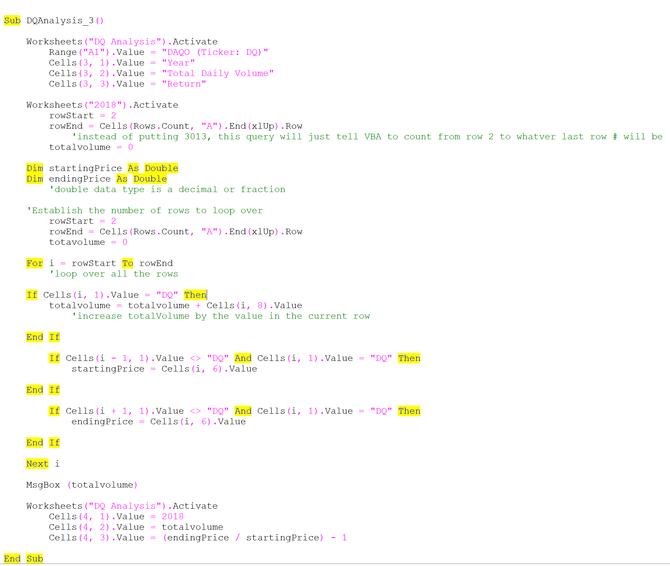
The VBA will have the message box pop up with the toal daily volume #
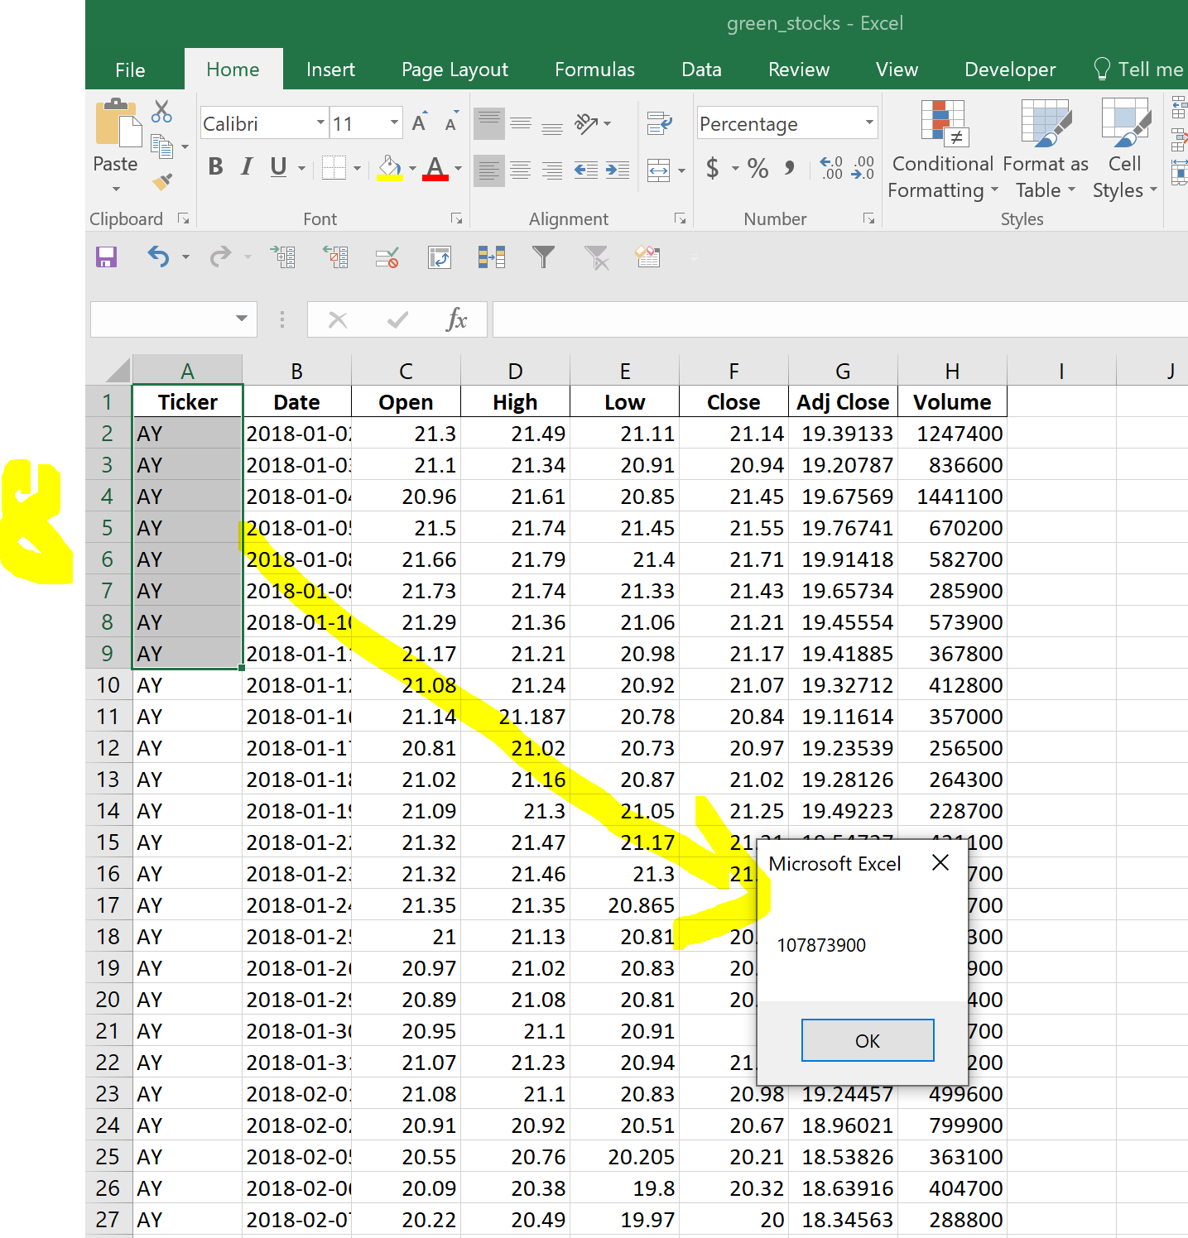

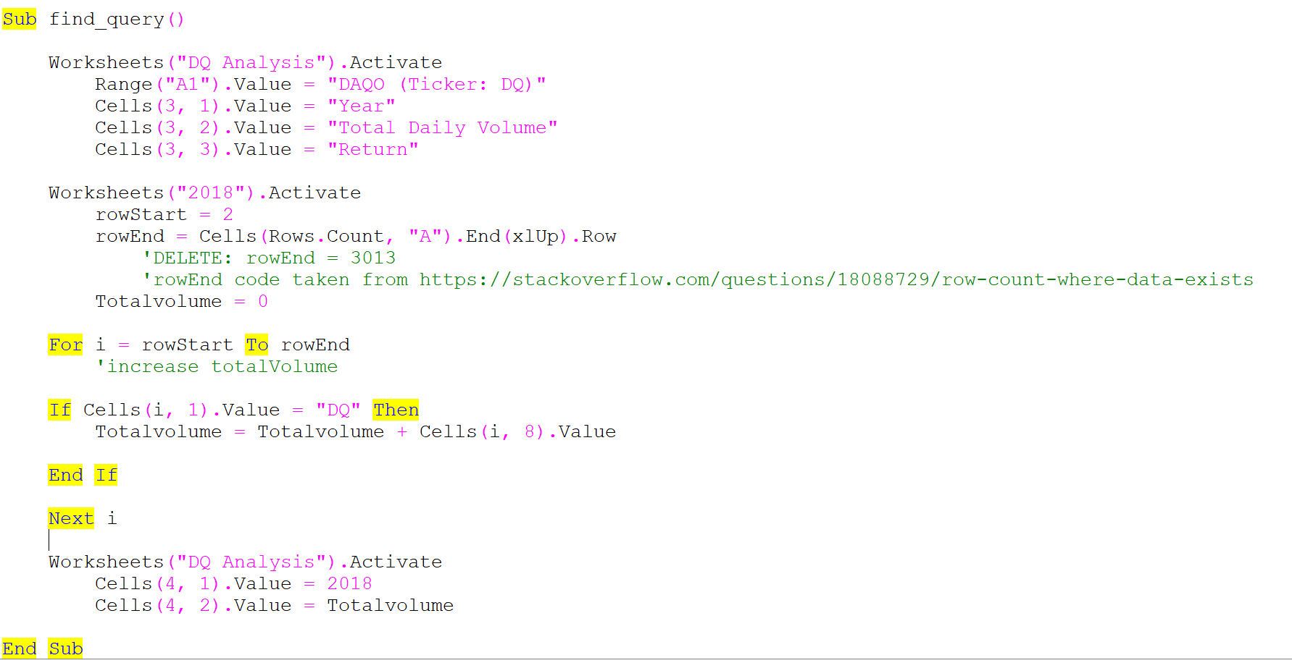

 |  |  | https://courses.bootcampspot.com/courses/2456/pages/2-dot-2-4-get-dqs-yearly-return-for-2018?module_item_id=792533

 |  |  | Daqo dropped over 63% in 2018—yikes! Steve will definitely want to offer some better stocks to his parents.

Stocks Analysis
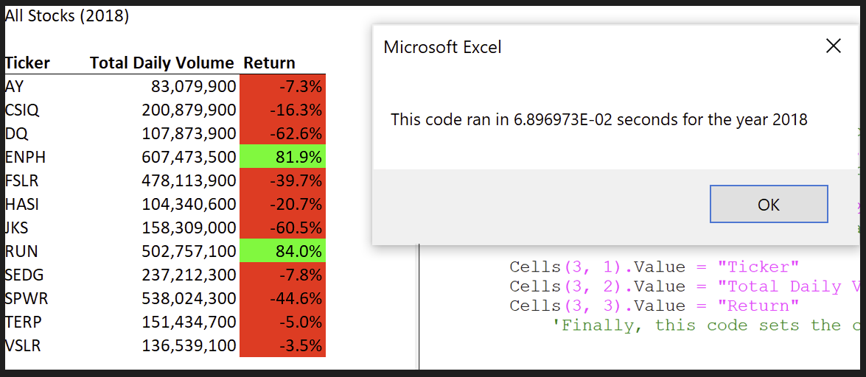
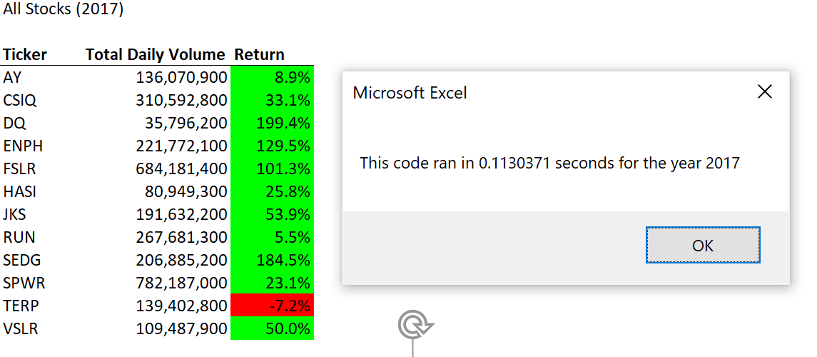
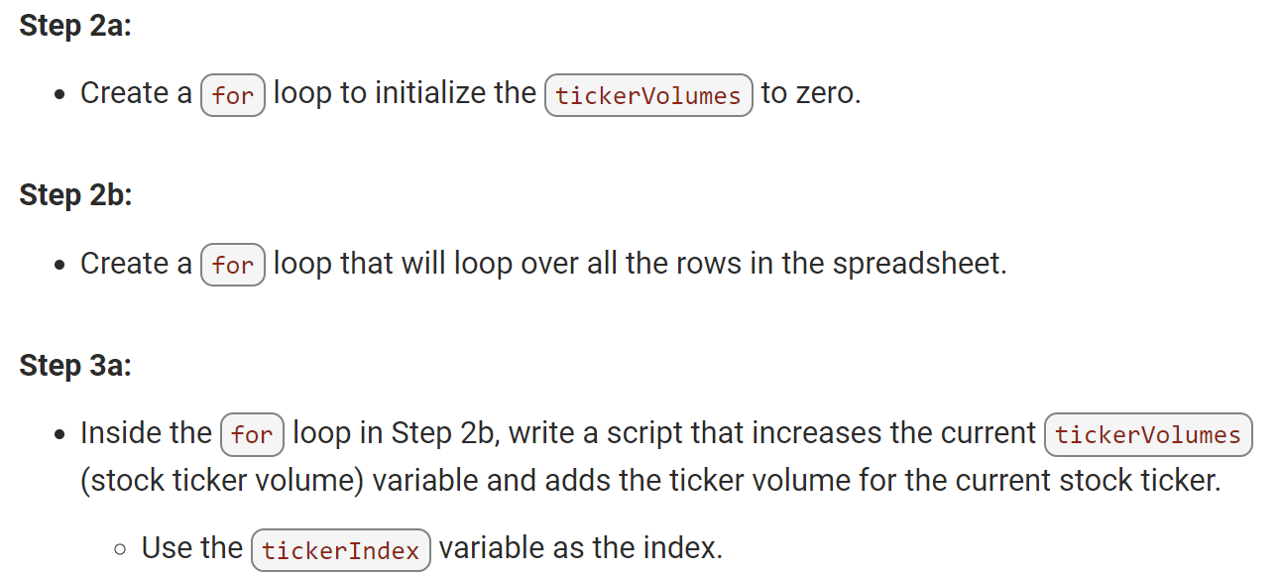
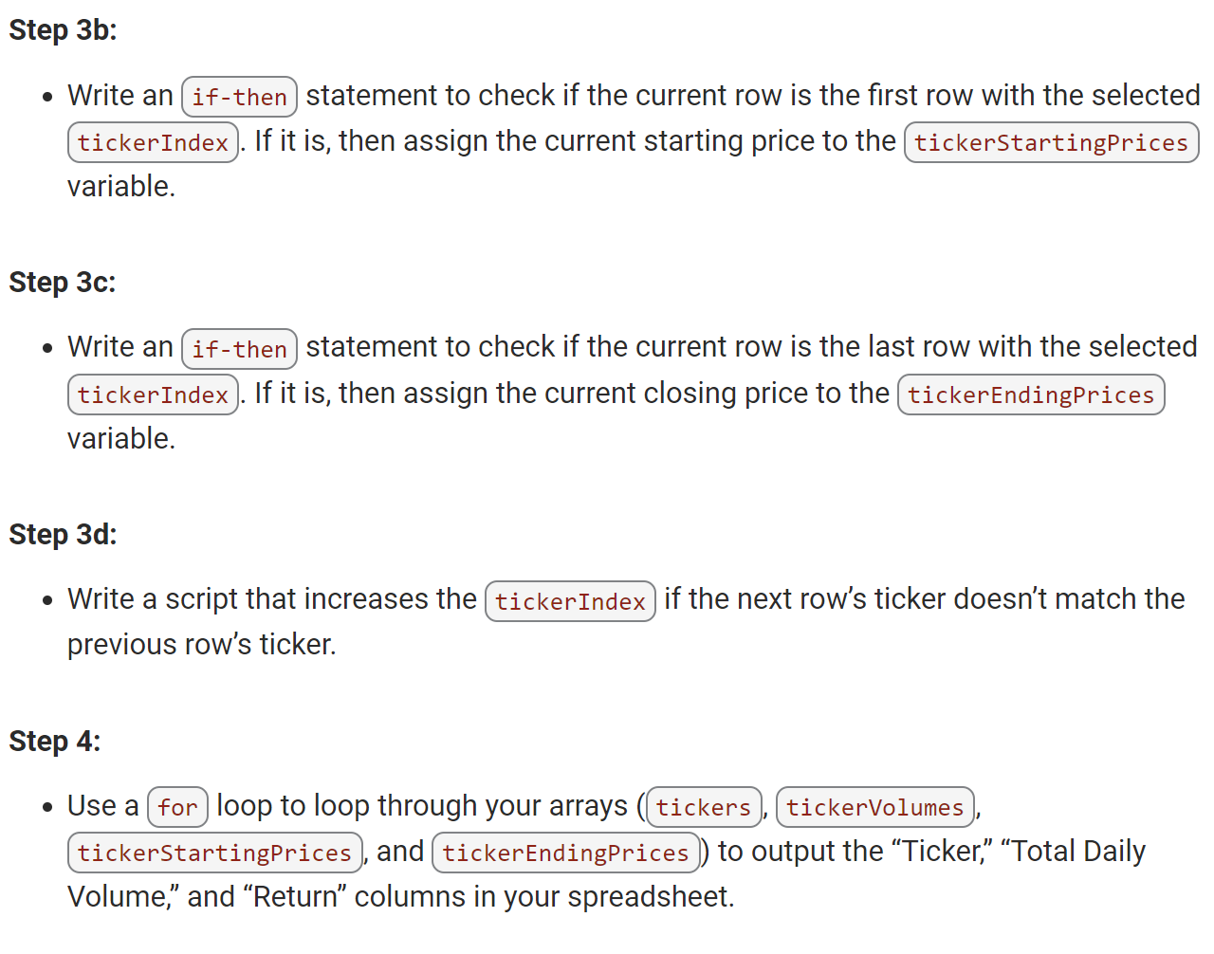
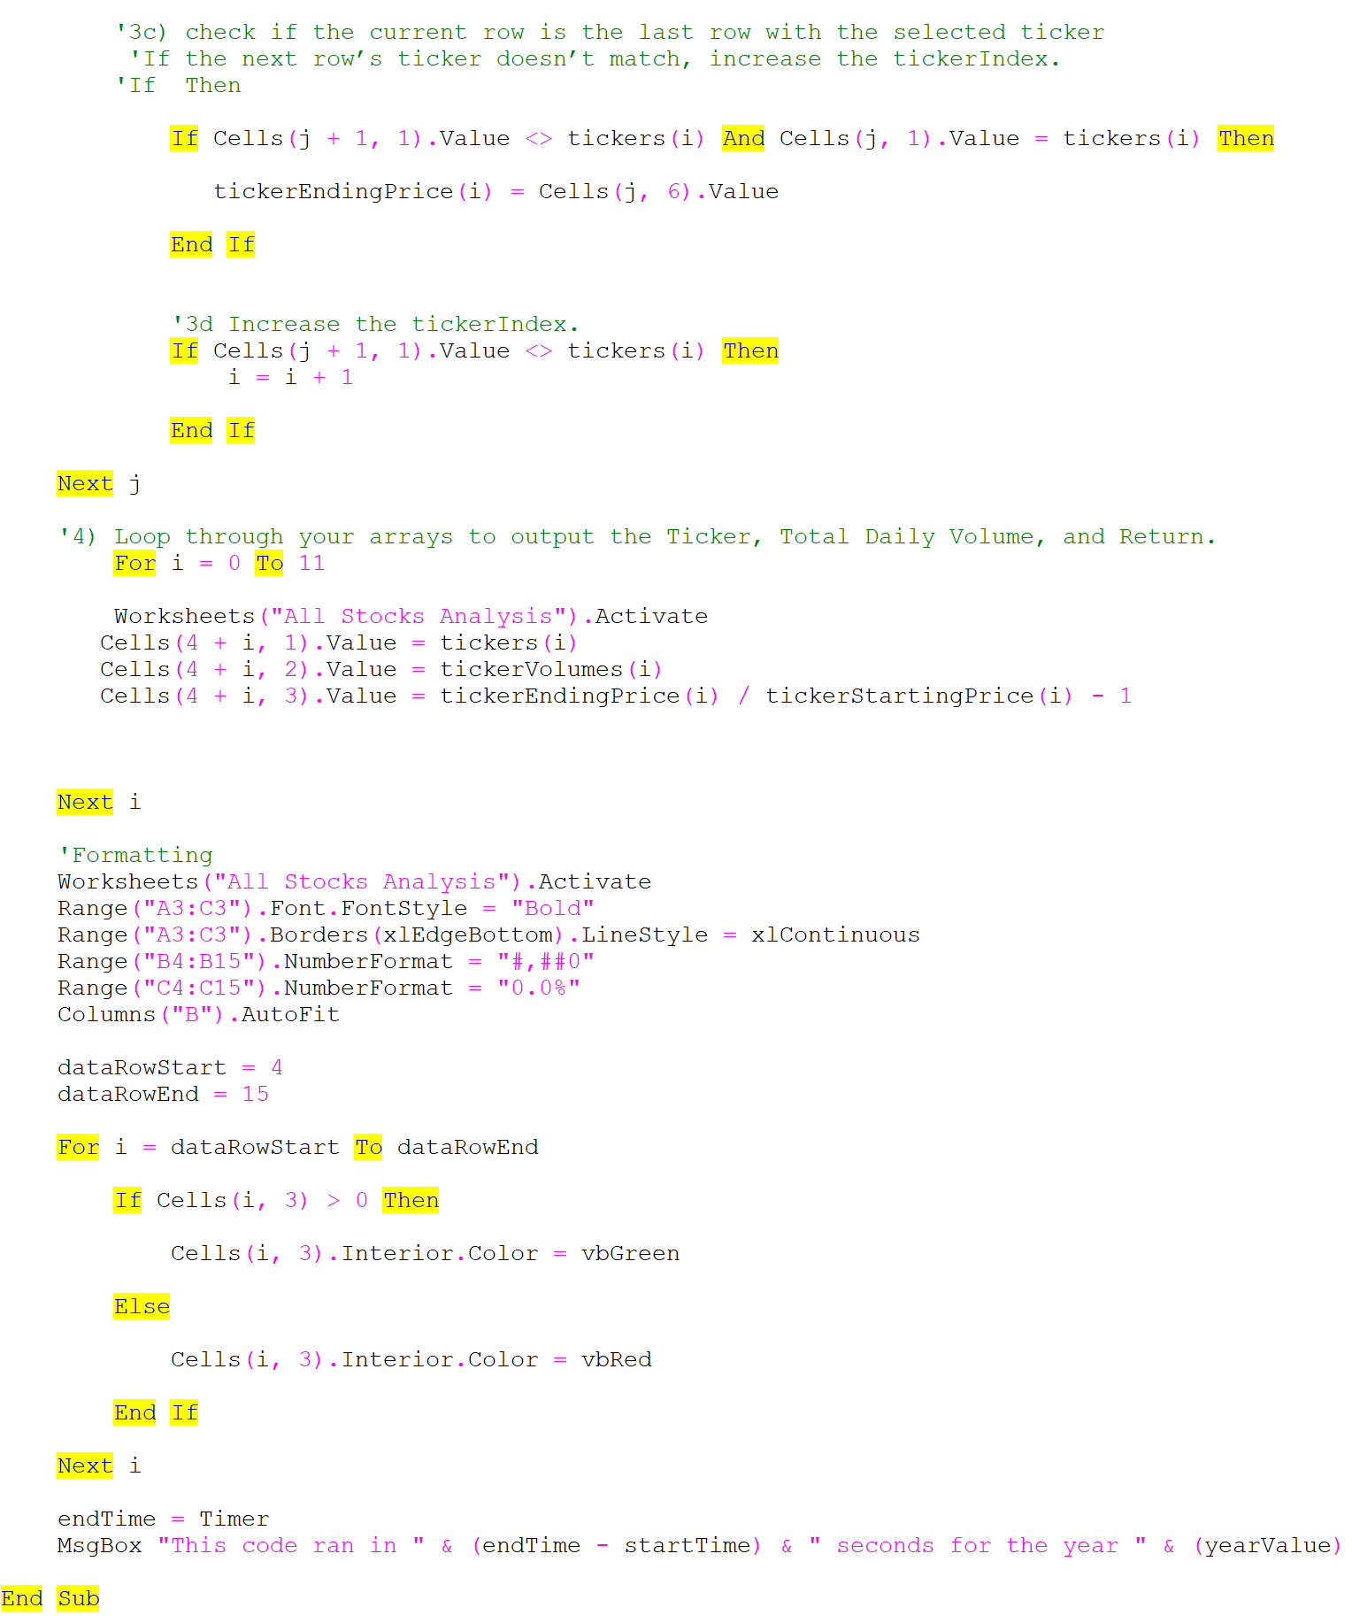
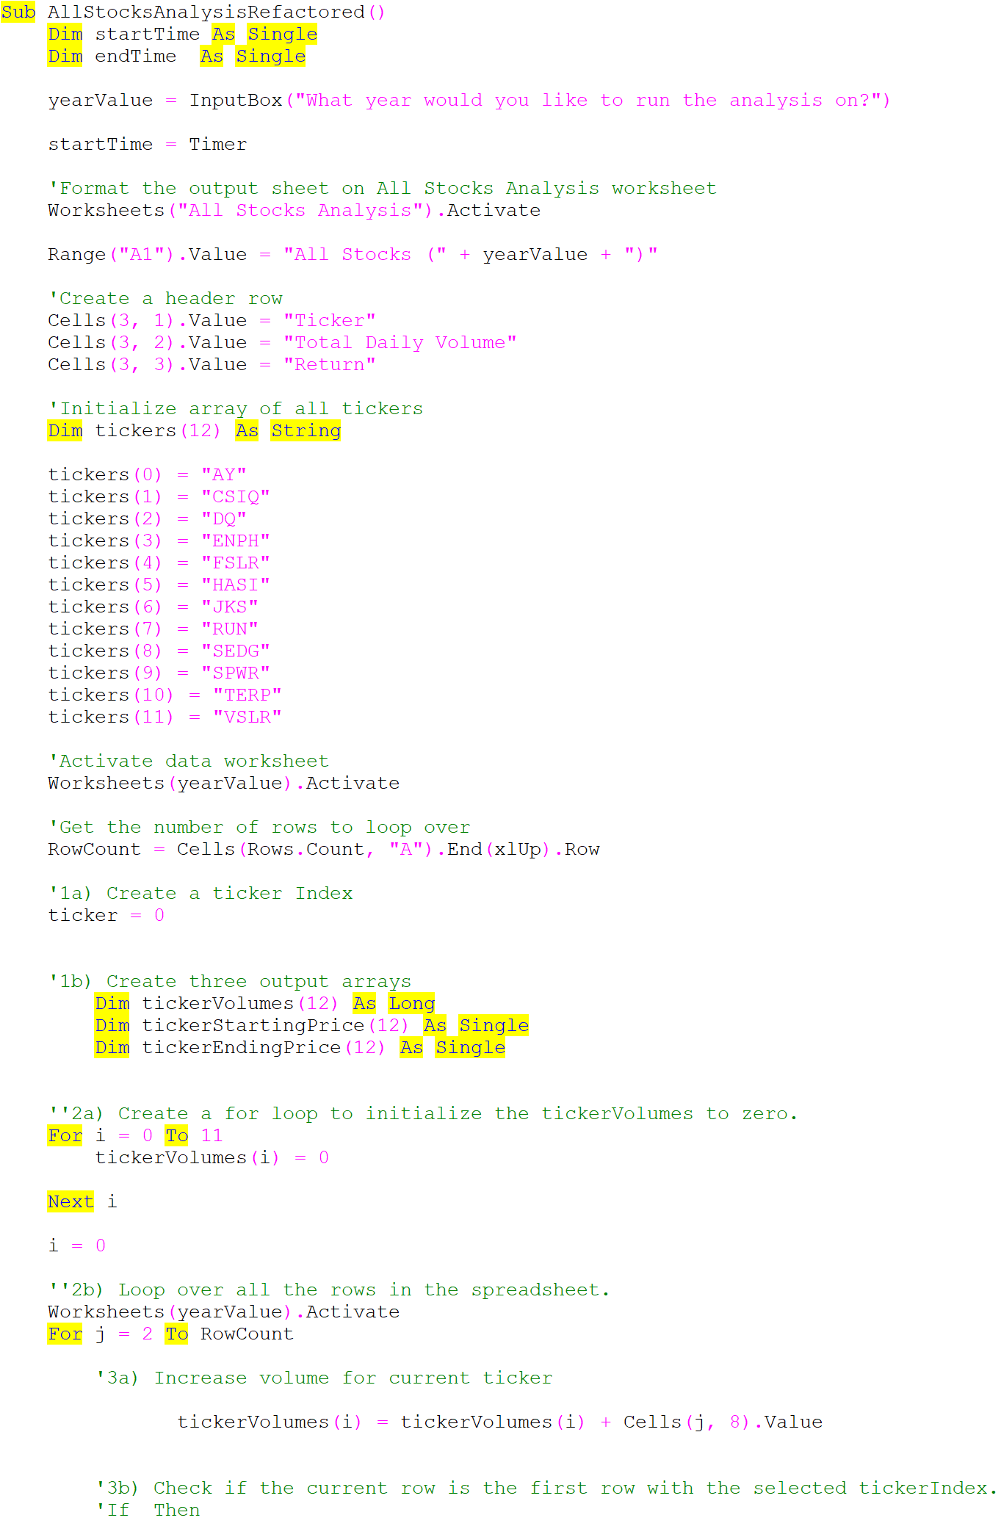
All Stocks (2018)

Ticker | Total Daily Volume | Return
AY | 83,079,900 | -7.3%
CSIQ | 200,879,900 | -16.3%
DQ | 107,873,900 | -62.6%
ENPH | 607,473,500 | 81.9%
FSLR | 478,113,900 | -39.7%
HASI | 104,340,600 | -20.7%
JKS | 158,309,000 | -60.5%
RUN | 502,757,100 | 84.0%
SEDG | 237,212,300 | -7.8%
SPWR | 538,024,300 | -44.6%
TERP | 151,434,700 | -5.0%
VSLR | 136,539,100 | -3.5%

Standard Deviation
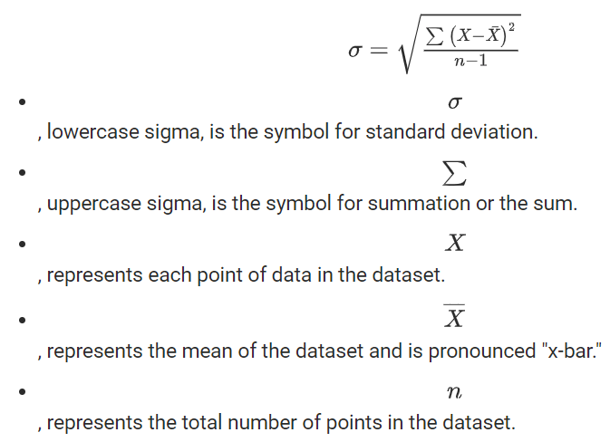
Finding Outliers with Standard Deviation- Kareyw
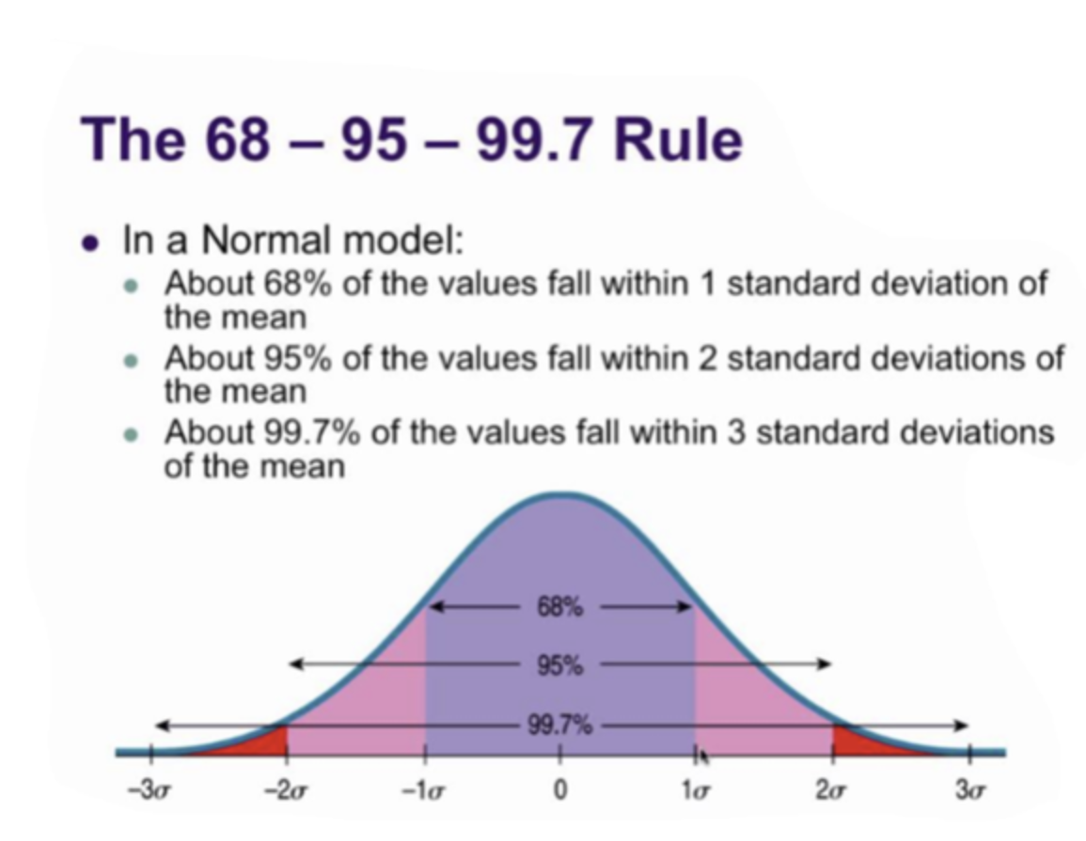
SAMPLE Internal Peer (Per Unique Job) Outlier Analysis
Notes | Employee Salary | Variance | Outliers
*Any # greater than Upper Quartile + 1.5 x IQR = Outlier *Any # less than the Lower Quartile - 1.5 x IQR = Outlier *Any value 2 or more standard devation away from the Mean (avg) indicates that the data is less and less accurate | 60,000 | -74% | =IF(OR(($D$33<$D5),$D5<$D$34),"Yes","No") | These two employees would be flagged for pay equity or compression issues
 | 75,000 | -67% | Yes
 | 275,000 | 20% | No
 | 290,000 | 27% | No
 | 310,000 | 35% | No
 | 365,000 | 59% | No
Median | 282,500
Mean | 229,167

Mean (50th P) | $229,167
Standard Deviation | $128,974
Upper Quartile (75th P) | $305,000
Lower Quartile (25th P) | $125,000
IQR | $180,000
Outlier UQ | 575,000
Outlier LQ | 145,000

Standard Deviation

